ProcessInsight
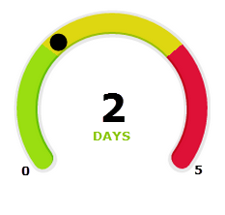

2
DAYS
2
DAYS
2
DAYS
2
DAYS
2
DAYS
2
DAYS

2
DAYS
5
0
6
DAYS
4
2
3
DAYS
4
1
2
DAYS
5
0
3
DAYS
5
0
2
DAYS
5
0

